chi square test
Section-I: Here are five hypothetical problem statements along with random datasets for Chi-square tests and ANOVA tests in statistics using Excel:

Chi-square Tests:

1. Problem Statement: Investigate whether there is a significant association between gender (Male/Female) and the preference for three different types of music genres (Rock, Pop, Classical). Use a dataset of 200 individuals.
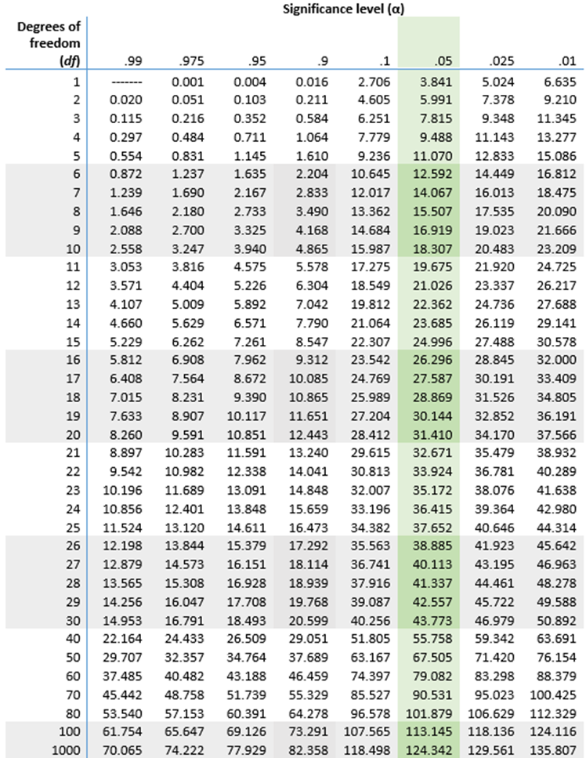
Gender | Rock | Pop | Classical | Total
Male | 50 | 30 | 20 | 100
Female | 40 | 45 | 35 | 120
Total | 90 | 75 | 55 | 220

Ho: | There is no relation between gender and music.
Ha: | There is a relation between gender and music.

Observed Values: |  | Gender | Rock | Pop | Classical | Total
 |  | Male | 50 | 30 | 20 | 100
 |  | Female | 40 | 45 | 35 | 120
 |  | Total | 90 | 75 | 55 | 220

Expected Value: |  | Gender | Rock | Pop | Classical | Total
 |  | Male | 40.909090909 | 34.090909091 | 25 | 100
 |  | Female | 49.090909091 | 40.909090909 | 30 | 120
 |  | Total | 90 | 75 | 55 | 220

 |  | Chi-Square = | Σ(O-E)2/E

Chi-Square Table: |  | Gender | Rock | Pop | Classical | Total
 |  | Male | 2.0202020202 | 0.49090909091 | 1 | 3.5111111111
 |  | Female | 1.6835016835 | 0.49090909091 | 0.83333333333 | 3.0077441077
 |  | Total | 3.7037037037 | 1.0 | 1.8333333333 | 6.5188552189

 | Chi-square calculated = 6.437037
 | Degree of Freedom |  | (r-1)(c-1)
 |  |  | 2
 | Let us assume 95% Level of Confidence
 | Therefore Level of Significance = 1 - Level of Confidence
 |  | 0.05

 | Thus, Chi-square critical = 5.991

 | As 6.437037 > 5.991
 | Hence, the null hypothesis is rejected.

 | So there is a relation between gender and the preference for three different types of music genres.

2. Problem Statement: Examine the relationship between educational background (High School, College, Postgraduate) and job satisfaction levels (Low, Medium, High) among a sample of 150 working professionals.

 |  |  |  |  | Education | Low | Medium | High | Total
 |  |  |  |  | High School | 20 | 30 | 10 | 60
 |  |  |  |  | College | 15 | 25 | 20 | 60
 |  |  |  |  | Postgraduate | 10 | 15 | 30 | 55
 |  |  |  |  | Total | 45 | 70 | 60 | 175

 |  |  | Ho: | There is no relationship between the educational background and job satisfaction levels.
 |  |  | Ha: | There is a relationship between the educational background and job satisfaction levels.

 |  | Observed Values: |  |  | Education | Low | Medium | High | Total
 |  |  |  |  | High School | 20 | 30 | 10 | 60
 |  |  |  |  | College | 15 | 25 | 20 | 60
 |  |  |  |  | Postgraduate | 10 | 15 | 30 | 55
 |  |  |  |  | Total | 45 | 70 | 60 | 175

 |  | Expected Value: |  |  | Education | Low | Medium | High | Total
 |  |  |  |  | High School | 15.428571429 | 24 | 20.571428571 | 60
 |  |  |  |  | College | 15.428571429 | 24 | 20.571428571 | 60
 |  |  |  |  | Postgraduate | 14.142857143 | 22 | 18.857142857 | 55
 |  |  |  |  | Total | 45 | 70 | 60 | 175

 |  |  |  |  | Chi-Square = | Σ(O-E)2/E

 |  | Chi-Square Table: |  |  | Education | Low | Medium | High | Total
 |  |  |  |  | High School | 1.3544973545 | 1.5 | 5.4325396825 | 8.287037037
 |  |  |  |  | College | 0.011904761905 | 0.041666666667 | 0.015873015873 | 0.069444444444
 |  |  |  |  | Postgraduate | 1.2135642136 | 2.2272727273 | 6.5844155844 | 10.025252525
 |  |  |  |  | Total | 2.57996633 | 3.7689393939 | 12.032828283 | 18.381734007

 |  | Chi-square calculated = 18.3817
 |  | Degree of Freedom |  | (r-1)(c-1)
 |  |  |  | 4
 |  | Let us assume 95% Level of Confidence
 |  | Therefore Level of Significance = 1 - Level of Confidence
 |  |  |  | 5% | 0.05

 |  | Thus, Chi-square critical = 9.488

 |  | As 18.3817 > 9.488
 |  | Hence, the null hypothesis is rejected.

 |  | So there is a relationship between the educational background and job satisfaction levels among the working professionals.

